Accounting Statements
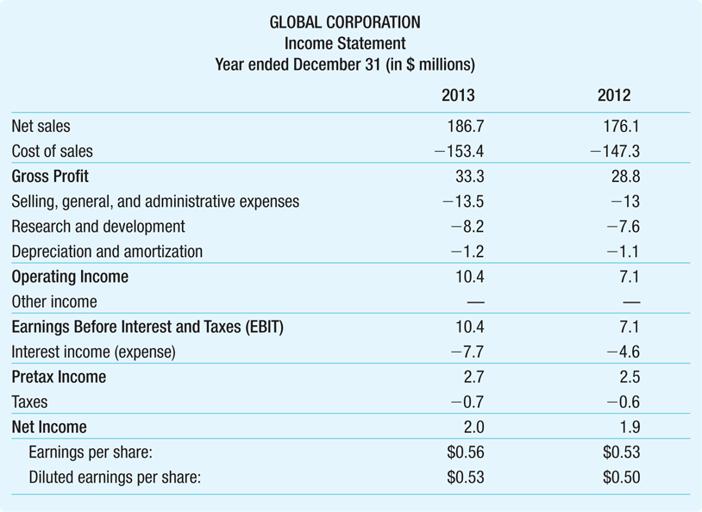
 |  | Raw | Calculated |  | Notes
Income Statement
Net Sales |  | 186.7 |  |  | The "top line" is Sales Revenue. We start with this and subtract the various costs/expenses to arrive at Net Income.
Cost of Sales |  | -153.4 |  |  | Costs directly attributable to sales (materials, etc).
 | Gross Profit |  | 33.3 | = Sales + CostOfSales |  |  | Because of the sign convention, we are actually subtracting!
 | Gross Profit |  | 33.3 | = C3 + C4 |  | Because of the sign convention, we are actually subtracting!
 | Gross Profit |  | 33.3 | = SUM(C3:C4) |  | Shortcut (the sign convention makes this possible!)
Selling, General, and Administrative Expenses (SGA) |  | -13.5
Research and Development (R&D) |  | -8.2
Depreciation and amortization |  | -1.2
 | Operating Income |  | 10.4 | = GrossProfit + (SGA + RnD + DA) |  |  | Because of the sign convention, we are actually subtracting!
 | Operating Income |  | 10.4 | = D6 + (C8 + C9 + C10)
 | Operating Income |  | 10.4 | = SUM(C3:C10) |  | Shortcut (the sign convention makes this possible!)
Other Income |  | 0
 | EBIT: Earnings Before Interest and Taxes |  | 10.4 | = OpInc + OtherInc |  | 10.4 | = D12 + OtherInc | 10.4 | = SUM(C3:C14)
Interest Expense |  | -7.7
 | Pretax Income (ie Earnings Before Taxes, EBT) |  | 2.7 | = EBIT + Interest |  | 2.7 | = D15 + C16 | 2.7 | = SUM(C3:C16)
Taxes |  | -0.702 | = - PreTax * TaxRate |  |  | Tax Rate: | 26%
 | Net Income |  | 1.998 | =SUM(J17,C18) |  | AKA Earnings or Profit

Statement of Cash Flows
OPERATING ACTIVITIES |  |  |  |  | Core cash flows from operating the business
Net Income |  | -0.74 |  |  | We start with net income
Deprec. & Amort |  | 1 |  |  | We back out non-cash components of net income.
Cash Effect of Δ in AR |  |  |  |  | Account for the impact of changes in working capital.
Cash Effect of Δ in AP |  |  |  |  | Review slides 19-31 of Lecture 3 very carefully, especially slides 22-24.
Cash Effect of Δ in Inventory
ΔNWC | 0
Cash eff | 0
Other Operating
 | Cash from Operating |  | 0.26 |  | ← This is our tax shield from our non-tax expense.
INVESTMENT ACTIVITIES
Capex
Acquisitions & Other
Other Investing
 | Cash from Investing |  | 0
FINANCING ACTVITIES
Dividends
Own Stock
Increase in Borrowing
Other Financing
 | Cash from Financing |  | 0
 | Total Δ in Cash |  | 0.26 |  | Combine cash flows from operating activities, investING activities, and financing activitie

•Suppose Global had an additional $1 million depreciation expense in 2019
•If Global’s tax rate on pretax income is 26%, what would be the impact of this expense on Global’s earnings?
•How would it impact Global’s cash at the end of the year?

