Intro
This is the most challenging lecture we've had so far. Some of the concepts, like "Unlevered Net Income", or how to calculate FCF given a complex scenario can be subtle, nuanced, and difficult.
The good news is that if you fully understand just one multi-part example from the lecture, you will have everything you need to not just feel confident about this material, but to understand it well enough to have earned that confidence. (You'll still have to review and study it carefully, so you pseudo-memorize it, but it's a great start.)
This Multi-part example shows up as Example 1, Example 4, and Example 6 from this week's slides.
Contents of the following slides:
1. "From L3" reviews crucial material from Lecture 3, related calculating operating cash flows and the sign convention you use for entering answers into a financial statement
2. "Ex1 Slides," "Ex4 Slides", and "Ex6 Slides" comprehensively reproduces Examples 1, 4, and 6 from the slides. All three are related to the Cisco HomeNet example, and all three build on one another, forming a single combined example with all of the skills you need.
3. "Ex1," "Ex4," and "Ex6" illustrate how to answer these question using Excel. They use a methodology that you can apply to the hardest capital budgeting quantitative problems that we will see. Caveat: they are designed as props for use within sections and may still be harder to use as independent study tools. Perhaps give them a try!
4. The two pages with magnifying glasses, 🔎, explore important but nuanced points that may never be fully clear unless you take the time for a deep dive. They provide you with an explanation you can use for that deep dive.

From L3
This is a key spreadsheet that we reviewed in an earlier section. We review it today because it:
1. Illustrates the sign convention that allows you to find all the key calculated "Income/Earnings" and Cash Flow numbers using just the "Sum()" function (ie just by adding)
2. Reviews the very challenging intuition behind the corrections in the challenging but crucial "Operating Cash Flow" section.
Note: this spreadsheet may have limitations as a standalone document. It is meant to be used by people who have participated in or watched section recordings. I hope you find it helpful either way.

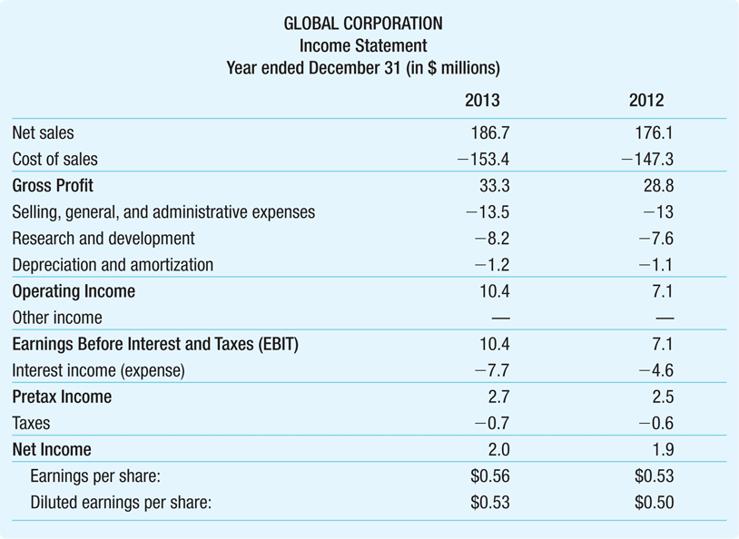
 |  | Raw | Calculated |  | Notes
Income Statement
Net Sales |  | 186.7 |  |  | The "top line" is Sales Revenue. We start with this and subtract the various costs/expenses to arrive at Net Income.
Cost of Sales |  | -153.4 |  |  | Costs directly attributable to sales (materials, etc).
 | Gross Profit |  | 33.3 | = C8 + C9 |  | Because of the sign convention, we are actually subtracting!
 | Gross Profit |  | 33.3 | = Sales + CostOfSales |  |  | Because of the sign convention, we are actually subtracting!
 | Gross Profit |  | 33.3 | = SUM(C8:C9) |  | Shortcut (the sign convention makes this possible!)
SGA: Selling, General, and Administrative Expenses |  | -13.5
R&D: Research and Development |  | -8.2
DA: Depreciation and amortization |  | -1.2
 | Operating Income |  | 10.4 | = D10 + (C13 + C14 + C15) |  |  | Because of the sign convention, we are actually subtracting!
 | Operating Income |  | 10.4 | = GrossProfit + (SGA + RnD + DA)
 | Operating Income |  | 10.4 | = SUM(C8:C15) |  | Shortcut (the sign convention makes this possible!)
Other Income |  | 0
 | EBIT: Earnings Before Interest and Taxes |  | 10.4 | = D16 + C19 |  | 10.4 | = OpInc + OtherInc | 10.4 | = SUM(C8:C19)
Interest Expense |  | -7.7
 | Pretax Income (ie Earnings Before Taxes, EBT) |  | 2.7 | = EBIT + Interest |  | 2.7 | = G20 + C21 | 2.7 | = SUM(C8:C21)
Taxes |  | -0.702 | = - PreTax * TaxRate |  |  | Tax Rate: | 26%
 | Net Income |  | 2.0 | =SUM(C8:C23) |  | AKA Earnings or Profit

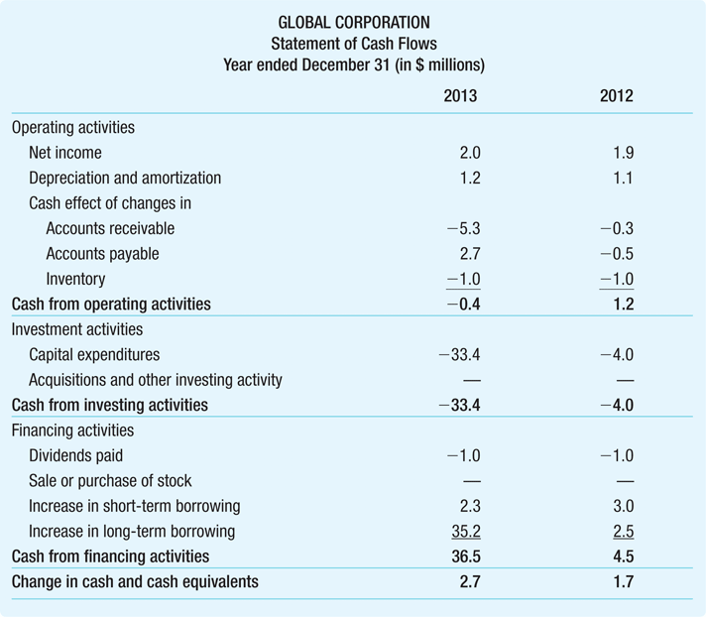
Statement of Cash Flows
The key here is to distinguish between expenses which show up on the income statement and cash flows which show up on the statement of cash flows.
OPERATING ACTIVITIES |  |  |  |  | Core cash flows from operating the business
 |  | Amount | Cash Effect |  | We distinguish between the number itself and the effect it has on our Cash Flows.
Net Income |  | 2.0 | 2.0 | = SUM(C8:C23) |  | We start with net income
Deprec. & Amort |  | 1.2 | 1.2 |  | We back out non-cash components of net income.
Cash Effect of Δ in AR |  | 5.3 | -5.3 |  | We don't have this money available because we lent it to our customers by letting them not pay their bills immediately (purchases on credit).
Cash Effect of Δ in AP |  | 2.7 | 2.7 |  | We have extra money because our vendors gave us credit and we didn't have to pay for what we bought.
Cash Effect of Δ in Inventory |  | 1 | -1 |  | We had to spend additional money to buy inventory. This wasn't listed as an expense, but it is a cash outflow.
Other Operating
 | Cash from Operating |  | -0.4 | = SUM(D30:D35)

A Shortcut: a different way of calculating Cash from Operating Activities
(You can also combine the Cash Effects of ΔAR, ΔAP, ΔInventory into one adjustment based on the change in NWC.)
Change in NWC |  | 3.6 |  |  | Trust me. (Don't worry how I calculated this. If you must think about it, remember that NWC = AR + INv - AP)
Cash effect of Δ in NWC |  |  | -3.6 | = -1*C40 | Review slides 19-31 of Lecture 3 very carefully, especially slides 22-24.
 | Cash from Operating |  | -0.4 | = SUM(D30:D31) + D41 |  | You can also do ΔAR, ΔAP, and ΔInventory as a group by subtracting off ΔNWC.
INVESTMENT ACTIVITIES |  |  |  |  | ← This is our tax shield from our non-tax expense.
Capex |  | 33.4 | -33.4
Acquisitions & Other |  | 0 | 0
Other Investing |  | 0 | 0
 | Cash from Investing |  | -33.4 | =SUM(D44:D46)
FINANCING ACTVITIES
Dividends |  | 1 | -1
Purchase of own stock |  | 0 | 0
Δ in Short Term Borrowing |  | 2.3 | 2.3
Δ in Short Term Borrowing |  | 35.2 | 35.2
 | Cash from Financing |  | 36.5 | =SUM(D49:D52)
 | Cash Flows / Total Δ in Cash |  | 2.7 | =D42 + D47 + D53 |  | Combine cash flows from operating activities, investING activities, and financing activitie

•Suppose Global had an additional $1 million depreciation expense in 2019
•If Global’s tax rate on pretax income is 26%, what would be the impact of this expense on Global’s earnings?
•How would it impact Global’s cash at the end of the year?

Ex1 Slides
Example 1: Incremental Earnings
Problem:
• Suppose that the managers of the router division of Cisco Systems are considering the development of a wireless home networking appliance, called HomeNet, that will provide both the hardware and the software necessary to run an entire home from any Internet connection.
• In addition to connecting computers and smartphones, HomeNet will control Internet−capable televisions, streaming video services, heating and airconditioning units, major appliances, security systems, office equipment, and so on. The major competitor for HomeNet is a product being developed by Brandt−Quigley Corporation.
• Based on extensive marketing surveys, the sales forecast for HomeNet is 50,000 units per year. Given the pace of technological change, Cisco expects the product will have a four−year life and an expected wholesale price of $260 (the price Cisco will receive from stores). Actual production will be outsourced at a cost (including packaging) of $110 per unit.
• To verify the compatibility of new consumer Internet−ready appliances, as they become available, with the HomeNet system, Cisco must also establish a new lab for testing purposes.
• It will rent the lab space, but will need to purchase $7.5 million of new equipment. The equipment will be depreciated using the straight−line method over a five−year life. Cisco’s marginal tax rate is 40%.
• The lab will be operational at the end of one year. At that time, HomeNet will be ready to ship. Cisco expects to spend $2.8 million per year on rental costs for the lab space, as well as marketing and support for this product. Forecast the incremental earnings from the HomeNet project.
Solution:
Plan:
• 4 items are needed to calculate incremental earnings: (1) incremental revenues, (2) incremental costs, (3) depreciation, and (4) the marginal tax rate:
• Incremental Revenues are: Additional units sold × Price = 50,000 × $260 = $13,000,000
• Incremental Costs are: Additional units sold × Production costs = 50,000 × $110 = $5,500,000
• Selling, General and Administrative = $2,800,000 for rent, marketing, and support
• Depreciation is: Depreciable Basis / Depreciable Life = $7,500,000 / 5 = $1,500,000
• Note that even though the project lasts for four years, the equipment has a five−year life, so we must account for the final depreciation charge in the fifth year.
• Marginal Tax Rate: 40%
Execute:
Evaluate:
• These incremental earnings are an intermediate step on the way to calculating the incremental cash flows that would form the basis of any analysis of the HomeNet project.
• The cost of the equipment does not affect earnings in the year it is purchased, but does so through the depreciation expense in the following five years.
• Note that the depreciable life, which is based on accounting rules, does not have to be the same as the economic life of the asset—the period over which it will have value. Here, the firm will use the equipment for four years, but will depreciate it over five years.

🔎 "Unlevered"
What About Interest Expenses?
In earlier lectures, we saw that to compute a firm’s net income, we must first deduct interest expenses from EBIT. When evaluating a capital budgeting decision, however, we generally do not include interest expenses. Any incremental interest expenses will be related to the firm’s decision regarding how to finance the project, which is a separate decision. Here, we wish to evaluate the earnings contributions from the project on its own, separate from the financing decision. Ultimately, managers may also look at the additional earnings consequences associated with different methods of financing the project.
Thus, we evaluate a project as if the company will not use any debt to finance it (whether or not that is actually the case), and we postpone the consideration of alternative financing choices until after the midterm. Because we calculate the net income assuming no debt (no leverage), we refer to the net income we computed in Example 1, as the unlevered net income (or unlevered earnings) of the project, to indicate that it does not include any interest expenses associated with debt.
"Unlevered Net Income" or "Unlevered Earnings": Net income that does not include interest expenses associated with debt.
There is a formula for Incremental Earnings. To arrive at it, we first define Incremental EBIT:
Incremental Earnings Before Interest and Taxes (EBIT)
= Incremental Revenue - Incremental Costs - Depreciation
To understand the next step, you have to apply a shortcut for calculating Earnings from Pretax Earnings. Because we estimate Income Tax as Pretax Income × Marginal Tax Rate, we can estimate Earnings as:
Post-Tax Earnings = Pretax Earnings - (Pretax Earnings × MTR)
= Pretax Earnings × (1 - MTR)
Combinging the above, we get that
Incremental Unlevered Earnings = Incremental EBIT × (1 - Tax Rate)
Because we use EBIT as our Pretax earnings in the above equation, we have skipped the step of subtracting off interest. This is why we refer to this as Incremental Unlevered Earnings.
(Recall that to calculate earnings, we subtract interest from EBIT to get EBT, Earnings Before Taxes, also known as pretax income. The above formula skips subtracting incremental interest and just uses Incremental EBIT directly.)
Substituting the definition of Incremental EBIT into the last formula, we get our main formula for Incremental Earnings:
Incremental Earnings = (Incremental Revenues
- Incremental Cost - Depreciation) × (1 - Tax Rate)
(Disclosure: the above explanation contains text adapted from the textbook. You need to know it to understand the shortcut formula for Incremental Free Cash Flow.)

Ex4 Slides
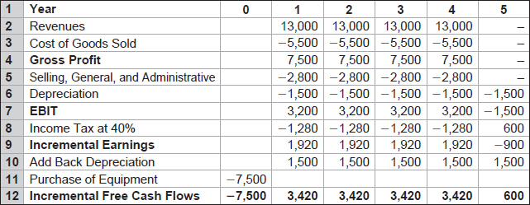
Example 4: Incremental Free Cash Flows
Problem:
• Let’s return to the HomeNet example. In Example 1 we computed the incremental earnings for HomeNet, but we need the incremental free cash flows to decide whether Cisco should proceed with the project.
Solution:
Plan:
• The difference between the incremental earnings and incremental free cash flows in the HomeNet example will be driven by the equipment purchased for the lab.
• We need to recognize the $7.5 million cash outflow associated with the purchase in year 0 and add back the $1.5 million depreciation expenses from year 1 to 5 as they are not actually cash outflows.
Execute:
Evaluate:
• By recognizing the outflow from purchasing the equipment in year 0, we account for the fact that $7.5 million left the firm at that time.
• By adding back the $1.5 million depreciation expenses in years 1 through 5, we adjust the incremental earnings to reflect the fact that the depreciation expense is not a cash outflow.

Ex6 Slides
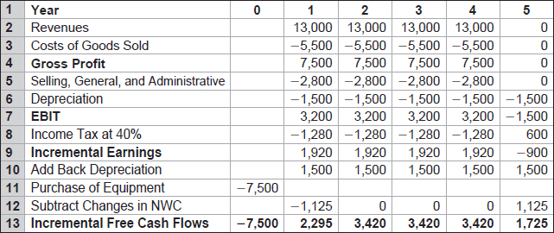
Example 6 Incorporating Changes in Net Working Capital
Problem:
• Suppose that HomeNet will have no incremental cash or inventory requirements (products will be shipped directly from the contract manufacturer to customers).
• However, receivables related to HomeNet are expected to account for 15% of annual sales, and payables are expected to be 15% of the annual cost of goods sold (COGS).
• Fifteen percent of $13 million in sales is $1.95 million and 15% of $5.5 million in COGS is $825,000. HomeNet’s net working capital requirements are shown in the following table:
• How does this requirement affect the project’s free cash flow?
Solution:
Plan:
• Any increases in net working capital represent an investment that reduces the cash available to the firm and so reduces free cash flow. We can use our forecast of HomeNet’s net working capital requirements to complete our estimate of HomeNet’s free cash flow. In year 1, net working capital increases by $1.125 million.
• This increase represents a cost to the firm. This reduction of free cash flow corresponds to the fact that in year 1, $1.950 million of the firm’s sales and $0.825 million of its costs have not yet been paid.
• In years 2–4, net working capital does not change, so no further contributions are needed.
• In year 5, when the project is shut down, net working capital falls by $1.125 million as the payments of the last customers are received and the final bills are paid. We add this $1.125 million to free cash flow in year 5.
Execute:
• The incremental free cash flows would then be:
Evaluate:
• The free cash flows differ from unlevered net income by reflecting the cash flow effects of capital expenditures on equipment, depreciation, and changes in net working capital.
• Note that in the first year, free cash flow is lower than unlevered net income, reflecting the up−front investment in equipment. In later years, free cash flow exceeds unlevered net income because depreciation is not a cash expense. In the last year, the firm ultimately recovers the investment in net working capital, further boosting the free cash flow.

🔎 FCF
In the "Unlevered" tab, we saw that
Incremental Unlevered Earnings
= Incremental EBIT × (1 - Tax Rate)
In other words, we saw that
Incremental Unlevered Earnings
= (Incremental Revenues - Incremental Cost - Depreciation)
× (1 - Tax Rate)
Later, in Example 6, we saw that to calculate Free Cash Flow for a project like this, we calculate
Free Cash Flows (FCF)
= "Net Income" - Depreciation - Change in NWC - CapEx
I've put "Net Income" in quotes because the way that you should think about this is in terms of how the Statement of Cash Flows calculates things, and Cash from operating activities starts with Net Income as its top line.
The key insight is that we are using "Incremental Unlevered Earnings" as our "Net Income" here. The Unlevered Income tab also explained why we use Unlevered Earnings in Capital Budgeting.
Combining this idea with the formulas from the unlevered income tab, we get:
Free Cash Flow = Unlevered Net Income
- Depreciation - Change in NWC - CapEx
Substituting in the definition of Unlevered Net Income, we get:
Free Cash Flow
= (Incremental Revenues - Incremental Cost - Depreciation)
× (1 - Tax Rate)
- Depreciation - Change in NWC - CapEx
Here's a slightly more attractive version from the textbook:

Click here to go to the Unlevered Tab

