Sheet1
We can use Excel's tabular presentation and autofill to very quickly calculate NPV using the formula in the slides:
T= | Inflows | PV of each Inflow |  | Outflows | PV of each Outflow
0 |  |  |  | $900,000 | $900,000 | =E3/(1+5%)^A3
1 | $- |  |  | $- | $-
2 | $50,000 | $45,351 | =B5/(1+5%)^A5 | $20,000 | $18,141 | =E5/(1+5%)^A5
3 | $50,000 | $43,192 | =B6/(1+5%)^A6 | $20,000 | $17,277 | =E6/(1+5%)^A6
4 | $50,000 | $41,135 | =B7/(1+5%)^A7 | $20,000 | $16,454 | =E7/(1+5%)^A7
5 | $1,150,000 | $901,055 | =B8/(1+5%)^A8 | $20,000 | $15,671 | =E8/(1+5%)^A8
 | PV of all Inflows: | $1,030,734 | =SUM(C4:C8) | PV of all Outflows: | $967,542 | =SUM(F3:F8)

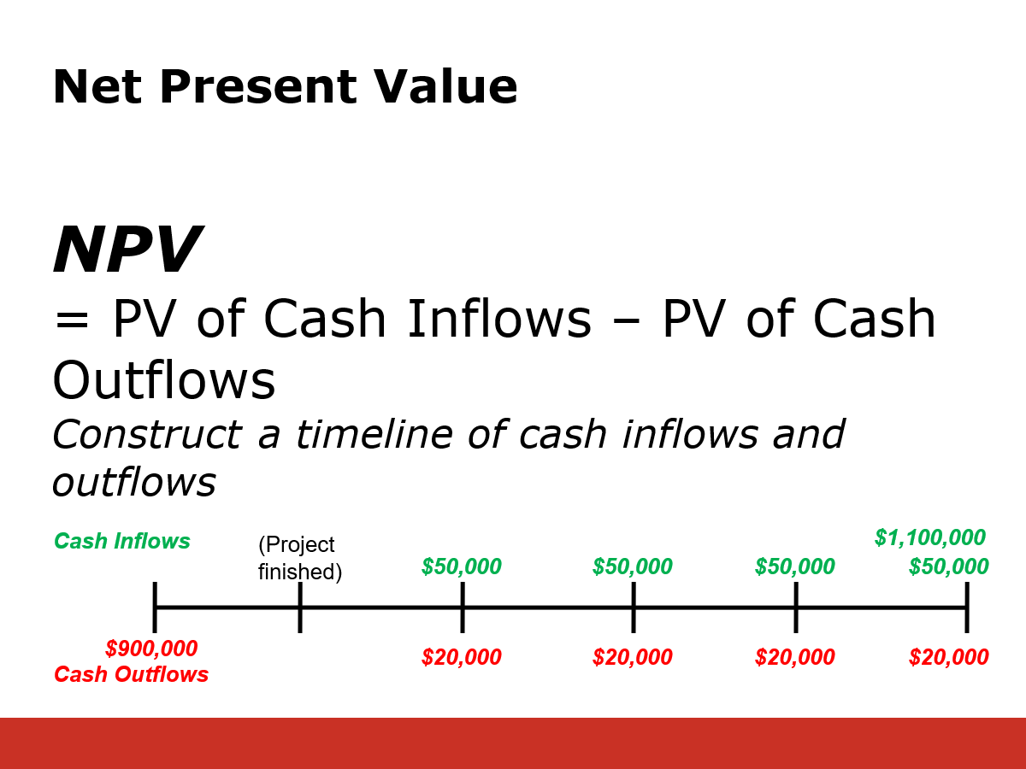
 | NPV = | $63,192 | =C9-F9
We have made $63,192 for Shareholders.

We can speed things up by using the built in function, =NPV():
T= | Inflows | Outflows
0 |  | $900,000
1 | $- | $-
2 | $50,000 | $20,000
3 | $50,000 | $20,000
4 | $50,000 | $20,000
5 | $1,150,000 | $20,000

 | PV of Inflows = | $1,030,734 | =NPV(5%,B17:B21)
 | PV of Outflows = | $967,542 | =NPV(5%,C17:C21)+C16
 | NPV = | $63,192 | =C23-C24

We can speed things up even more by calculating Net Cash Flows:
T= | Inflows | Outflows | Net CF
0 |  | $900,000 | -$900,000.00 | =B29-C29
1 | $- | $- | $- | =B30-C30
2 | $50,000 | $20,000 | $30,000 | =B31-C31
3 | $50,000 | $20,000 | $30,000 | =B32-C32
4 | $50,000 | $20,000 | $30,000 | =B33-C33
5 | $1,150,000 | $20,000 | $1,130,000 | =B34-C34
 |  |  | $63,192 | $60,182.53

Another thing to watch out for in Excel: |  |  |  | Simple Rule:
T= | CF | CF |  | Start at T=1, and if there is a cash flow of 0, make sure to put a zero in.
0 (right now) |  | 0
1 |  | 0
2 | 100 | 100
3 |  | 0
Correct: | 82.64 | =100/1.1^2
Correct: | $82.64 | =NPV(10%,C42:C43)
Correct: | $82.64 | =NPV(10%,C42:C44)
Incorrect | $90.91 | =NPV(10%,B43) |  | ← must start at time 1, not time 2
Incorrect | $90.91 | =NPV(10%,B42:B44) |  | ← NONE OF THE CELLS CAN BE BLANK)
Incorrect | $75.13 | =NPV(10%,C41:C43) |  | ← must start at time 1, not time 0

