L3 - Accounting
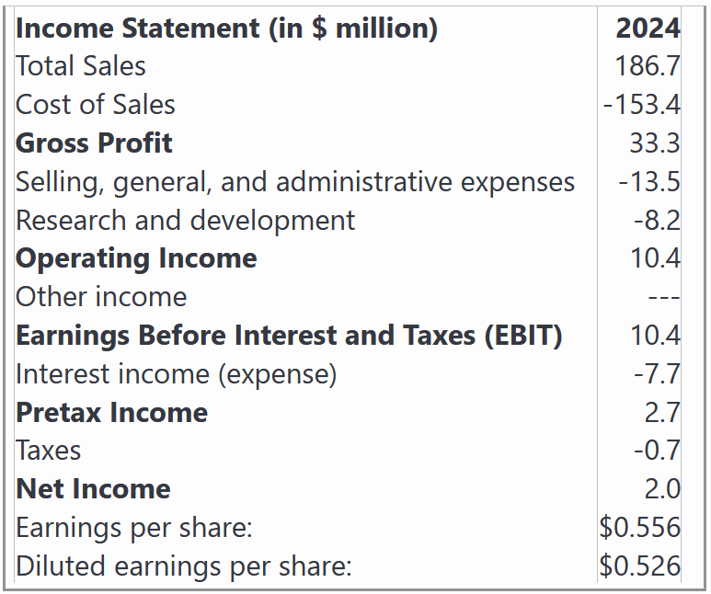
For these questions, use the following data.
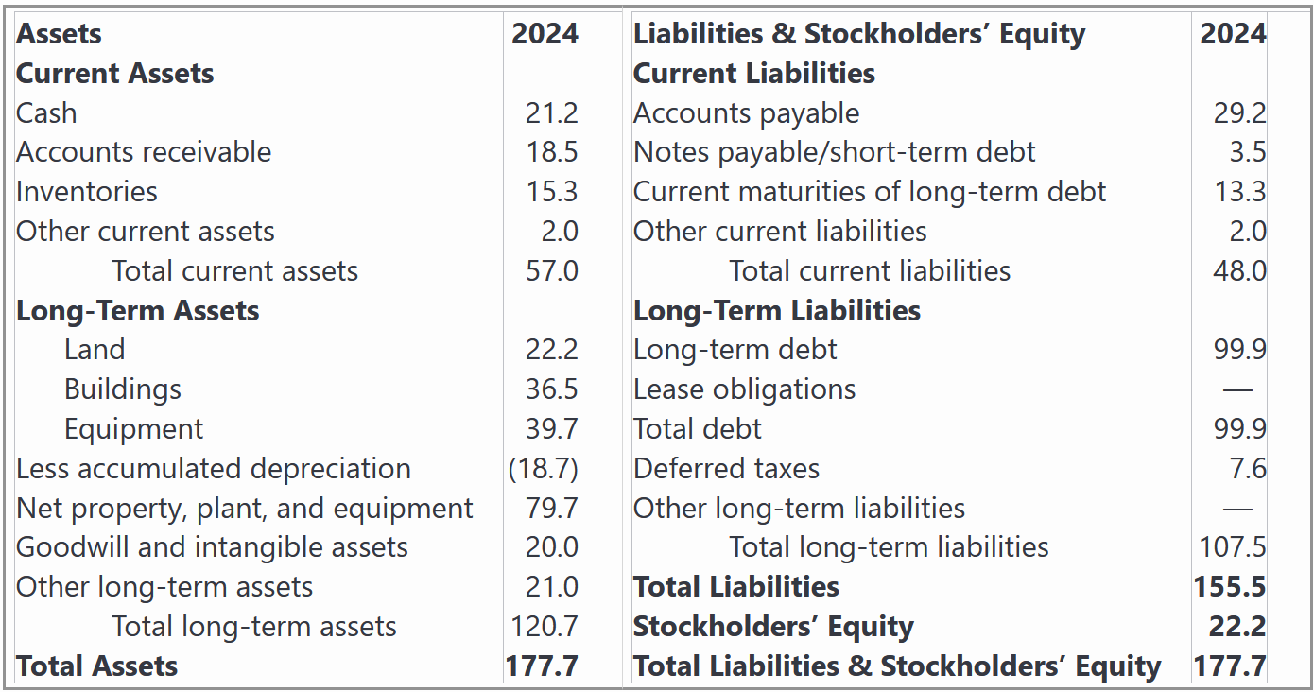

Share Price | $18.50 | #N/A | Shares Outstanding |  | 3.5971223022 | million | Dividend | $0.35
Expected earnings growth |  |  | 8%

✏️Calculate all of the profit margins (Gross, Operating and Net)
✔
Gross Margin |  | 17.8% | =33.3/186.7
Operating Margin |  | 5.6% | =10.4/186.7
Net Profit Margin |  | 1.1% | =2/186.7

✏️ What is the Market-to-Book Ratio?
✔
Market Cap |  | $66.55 | =B15*F15 | (Millions)
Market-to-Book |  | 3.00 | =C26/22.2

✏️ What are the EV to EBIT, and EV to Sales ratios?
Market Cap | $66.55 | =B15*F15
Enterprise Value | 145.25 | =B30+99.9 - 21.2
EV / EBIT | 13.966034864 | =B31/10.4
EV / Sales | 0.77796873374 | = B31 / 186.7

✏️ What is the P/E ratio? Why do the two formulas give the same result?
✔
P/E Ratio | 33.27 | =B15/0.556
Market Cap | $66.55 | =F15*B15
Net Income | 2 | =2
P/E Ratio | 33.27 | =B38/B39
🙋‍♂️ Why are they the same?
Market Cap is just Price × #SharesOutstanding
Net Income is just EPS × #Shares Oustanding
Therefore, if we start with the second formula, we can prove that it is equal to the first formula:
P/E Ratio = Market Cap / Net Income = (Price×#SharesOutstanding) / (EPS×#SharesOutstanding) = Price/EPS
If you start with MarketCap/NetIncome, you end up with Price/EPS, just by plugging in definitions.
Therefore, by definition, the formulas must always give you the exact same number.

✏️ What is the PEG ratio (P/E to Growth)
✔
PE Ratio = | 33.27 | =B37
PEG | 4.16 | =B37/(D16*100)
We represent the growth rate as a percentage, not as a decimal. Ie, we use 8, not .08 for this calculation.

